Sheet1
 |  | Actual |  |  | Actual |  |  | Actual |  |  | Actual |  |  | Actual |  | Actual
Actual | From Implementation Plan |  |  | Female Clients >25 |  |  | Clients < 2 |  |  | Clients 2 < > 13 |  |  | Clients 13 < > 24 |  |  | Actual
Service Category | Total Clients | Total Service Units | Total Dollars | Female Clients | Female Service Units | Female Dollars | <2 Clients | <2 Service Units | <2 Dollars | 2-13 Clients | 2-13 Service Units | 2-13 Dollars | 13-24 Clients | 13-24 Service Units | 13-24 Dollars | Percent WICY
MCM
OutPatient

Total Undup | 265 | 3284 | $94,914.68 |  | 0 | $0.00 |  | 0 | $0.00 |  | 0 | $0.00 |  | 0 | $0.00 | 0%
 |  |  |  |  |  |  |  |  |  |  |  |  | total spent on WICY: |  |  | $0.00
The "red" fields will "auto-calculate".

 |  | SAMPLE |  |  | SAMPLE |  |  | SAMPLE |  |  | SAMPLE |  |  | SAMPLE |  | SAMPLE
SAMPLE | From Implementation Plan |  |  | Female Clients >25 |  |  | Clients < 2 |  |  | Clients 2 < > 13 |  |  | Clients 13 < > 24 |  |  | SAMPLE
Service Category | Total Clients | Total Service Units | Total Dollars | Female Clients | Female Service Units | Female Dollars | <2 Clients | <2 Service Units | <2 Dollars | 2-13 Clients | 2-13 Service Units | 2-13 Dollars | 13-24 Clients | 13-24 Service Units | 13-24 Dollars | Percent WICY
CM | 155 | 1525 | $2,002.00 | 9 | 35 | $45.95 | 0 | 0 | $0.00 | 2 | 4 | $5.25 | 34 | 303 | $397.77 | 22%
MCM | 111 | 617 | $1,000.00 | 16 | 56 | $90.76 | 0 | 0 | $0.00 | 1 | 10 | $16.21 | 34 | 90 | $145.87 | 25%
Food | 75 | 150 | $1,000.00 | 10 | 20 | $133.33 | 0 | 0 | $0.00 | 0 | 0 | $0.00 | 20 | 42 | $280.00 | 41%
Transport | 82 | 150 | $1,000.00 | 12 | 24 | $160.00 | 0 | 0 | $0.00 | 0 | 0 | $0.00 | 24 | 56 | $373.33 | 53%

Total Undup | 164 | 2442 | $5,002.00 | 17 | 135 | $276.52 | 0 | 0 | $0.00 | 1 | 14 | $28.68 | 34 | 491 | $1,005.73 | 26%
 |  |  |  |  |  |  |  |  |  |  |  |  | total spent on WICY: |  |  | $1,310.93

To obtain the data for Female Clients >=25 years old, use the following filter in the CAREWare Financial Report:

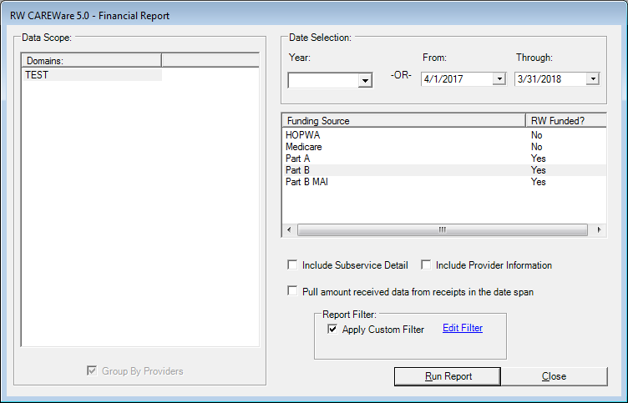
 |  |  |  |  |  | Select Financial Report
 |  |  |  |  |  | Select Date Range 4/1/2017 - 3/31/2018
 |  |  |  |  |  | Select Funding Source
 |  |  |  |  |  | Check "Apply Custom Filter"
 |  |  |  |  |  | Select "Edit Filter"

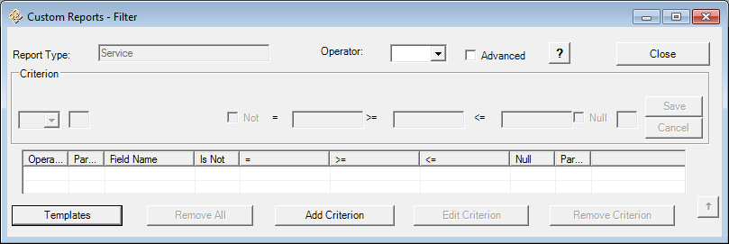
 |  |  |  |  |  | Select "Add Criterion"

 |  |  |  |  |  |  |  |  | Select Gender
 |  |  |  |  |  |  |  |  | Select Use Field

 |  |  |  |  |  |  |  |  | From the Dropdown, select "Female"
 |  |  |  |  |  |  |  |  | Save

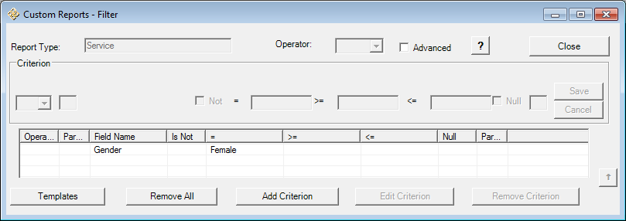
 |  |  |  |  |  |  |  |  | Select "Add Criterion"

 |  |  |  |  |  |  |  |  | Select AgeGroup
 |  |  |  |  |  |  |  |  | Select Use Field

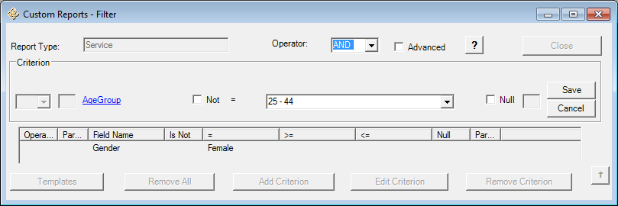
 |  |  |  |  |  |  |  |  | Operator, select "AND"
 |  |  |  |  |  |  |  |  | From the Dropdown, select "25-44"
 |  |  |  |  |  |  |  |  | Save
 |  |  |  |  |  |  |  |  | (if you have reason to believe you have Females greater than 44,
 |  |  |  |  |  |  |  |  | run the report again with 45-65)

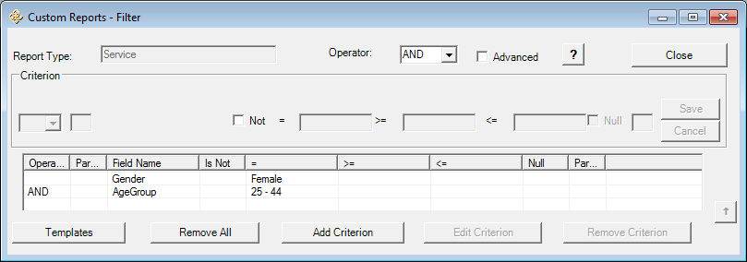
 |  |  |  |  |  |  |  |  | This Filter will determine:
 |  |  |  |  |  |  |  |  | Services provided to Female
 |  |  |  |  |  |  |  |  | Between 25-44 years old
 |  |  |  |  |  |  |  |  | Select "Close"

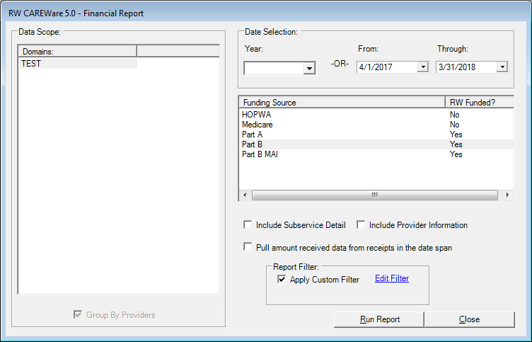
 |  |  |  |  |  |  |  |  | Run the Report
 |  |  |  |  |  |  |  |  | In this case, the report will generate:
 |  |  |  |  |  |  |  |  | by Service Category;
 |  |  |  |  |  |  |  |  | Number of Female Clients 25-44 years old
 |  |  |  |  |  |  |  |  | Number of Female Services 25-44 years old

